Step 1
PCF Report for Functional Unit
Part number | Index
0 | 0

Step 1: Goal and scope definition

 |  | Part number | Index
Goal: | PCF of | 0 | 0

Scope: |  | Cradle to gate (conform Catena-X, recommended by FAAS)
 |  | Cradle to grave
System Boundaries: |  | Scope 1.1 Company vehicles
 |  | Scope 1.2 Company facilities
 |  | Scope 2 Purchased electricity, heating & cooling
 |  | Scope 3.1 Purchased goods
 |  | Scope 3.3 Fuel & energy
 |  | Scope 3.4 Transportation & distribution
 |  | Scope 3.9 Transportation & distribution
 |  | Scope 3.11 Use of sold products
 |  | Scope 3.12 End of life of sold products

Result: | Global Warming Potential (kg CO2 eq)
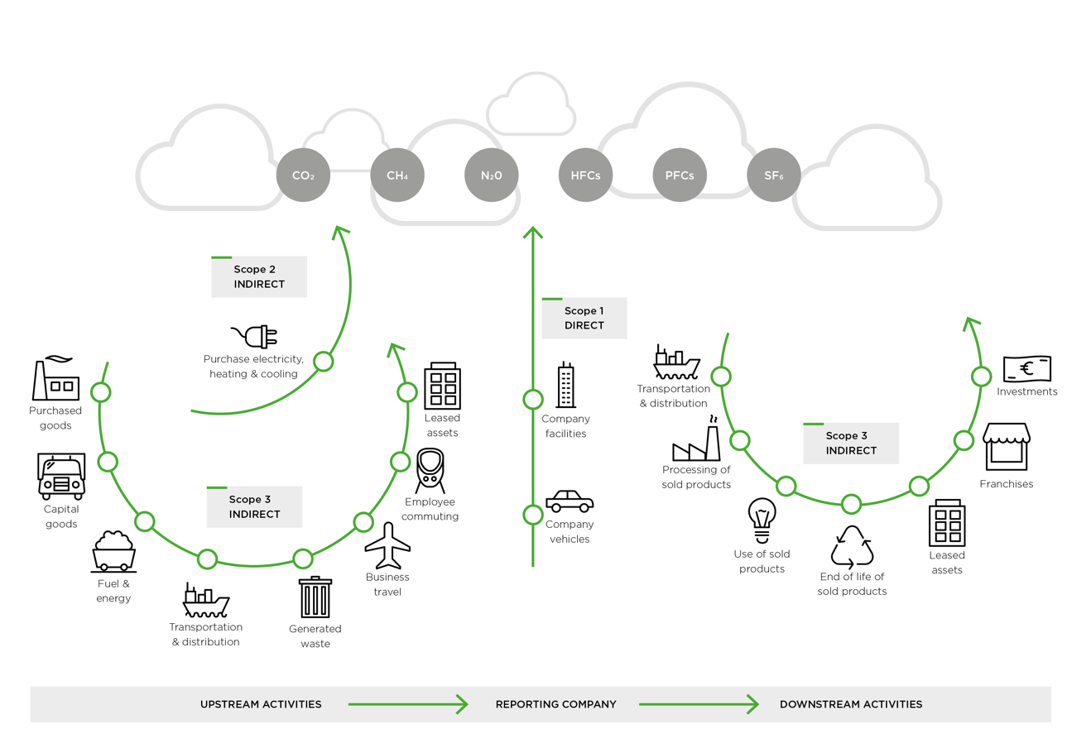

Source: GREENHOUSE GAS PROTOCOL

Step 3
PCF Report for Functional Unit
Part number | Index
0 | 0

Step 3: Impact assessment

Emission | Quantity | Unit
Total PCF incl. biogenic uptake |  | kg CO2 eq
Total PCF excl. biogenic uptake |  | kg CO2 eq
GWP biogenic CO2-uptake |  | kg CO2 eq (optional)

Data quality and completeness | Rating | Unit
Primary data share |  | %
DQR: Overall data quality rating |  | -
TeR (Technology) |  | -
TiR (Time) |  | -
GeR (Geographical) |  | -

Coverage rate by mass: |  | % (optional)

Assumptions & considerations

Include information on removals, carbon content, biogenic emissions and/or uptake respectively an explanation of why values are not indicated.
Include reference to calculation documentation or automated calculation method.

Optional reporting

Scope | kg CO2 eq
Scope 1.1: |  | Company vehicles
Scope 1.2: |  | Company facilities
Scope 2: |  | Purchased electricity, heating & cooling
Scope 3.1: |  | Purchased goods
Scope 3.3: |  | Fuel & energy
Scope 3.4: |  | Transportation & distribution
Scope 3.9: |  | Transportation & distribution
Scope 3.11: |  | Use of sold products
Scope 3.12: |  | End of life of sold products

Total CFP
Scope 1.1:
Scope 1.2:
Scope 2:
Scope 3.1:
Scope 3.3:
Scope 3.4:
Scope 3.9:
Scope 3.11:
Scope 3.12:

Optional reporting

Part number | Part name | Material | Quantity | Unit | Source
 |  |  |  | kg CO2 eq
 |  |  |  | kg CO2 eq
 |  |  |  | kg CO2 eq
 |  |  |  | kg CO2 eq
 |  |  |  | kg CO2 eq
 |  |  |  | kg CO2 eq
 |  |  |  | kg CO2 eq
 |  |  |  | kg CO2 eq
 |  |  |  | kg CO2 eq
 |  |  |  | kg CO2 eq
 |  |  |  | kg CO2 eq
 |  |  |  | kg CO2 eq
 |  |  |  | kg CO2 eq
 |  |  |  | kg CO2 eq

Scope 3.1 CFP Breakdown (%)

